Comparison
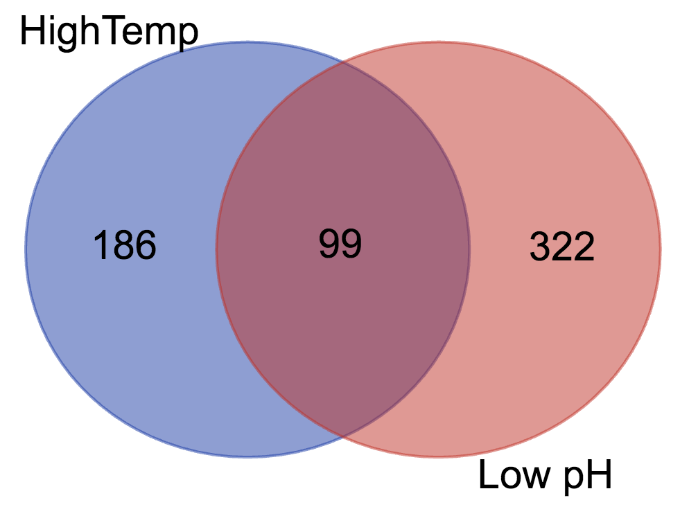
#
Overlap YALI1_B03910g YALI1_D07261g YALI1_A02875g YALI1_C01356g YALI1_E41514g YALI1_B05830g YALI1_B00082g YALI1_F18835g YALI1_E16249g YALI1_A02335g YALI1_E32792g YALI1_A21175g YALI1_E14619g YALI1_A01537g YALI1_C01393g cob YALI1_F26793g YALI1_D17814g YALI1_C21789g YALI1_A21477g YALI1_B27057g YALI1_A04164g YALI1_E36494g YALI1_F15141g YALI1_F26757g YALI1_D21256g YALI1_F00400g YALI1_D31482g YALI1_A09190g YALI1_E24532g YALI1_A18489g YALI1_B02910g YALI1_B08461g YALI1_C28686g YALI1_C21083g YALI1_C06222g YALI1_A11612g YALI1_B24836g YALI1_B29364g YALI1_F12810g YALI1_F36094g YALI1_D27808g YALI1_D10284r YALI1_E24245g YALI1_E32664g YALI1_D22568g YALI1_A16274r YALI1_F26367g YALI1_D02499g YALI1_B24901g YALI1_E16230g YALI1_C06211g YALI1_F23214g YALI1_F15357g YALI1_B09132g YALI1_A06989g YALI1_C01491g YALI1_F16199g YALI1_D16354g YALI1_A04044g YALI1_D19623g YALI1_D21373g YALI1_F00399g YALI1_C17163g YALI1_B25258g YALI1_F22115g YALI1_E14350g YALI1_A00204g YALI1_B21935g YALI1_C28115g YALI1_E33094g YALI1_F31974r YALI1_F02008g YALI1_D30482g YALI1_E30561g YALI1_B21155g YALI1_B20319g YALI1_F37498g YALI1_F06489g YALI1_D00422g YALI1_F17988g YALI1_C07397g YALI1_B11577g YALI1_F25535g YALI1_B29360g YALI1_E21638g YALI1_D02488g YALI1_F18641g YALI1_D26006g YALI1_D21968g YALI1_B21114g YALI1_A12772g YALI1_F39844g YALI1_E11619g YALI1_C06201g YALI1_E12893g YALI1_D01234g YALI1_F15641g YALI1_B14292g

